Sheet1
 | MANUFACTURING SCOPE OF WORK

2D IMAGE OF SCOPE
S NO . | SPECIFICATION | DECRIPTION
1 | Base Material | FR-4
2 | LAYER | 2
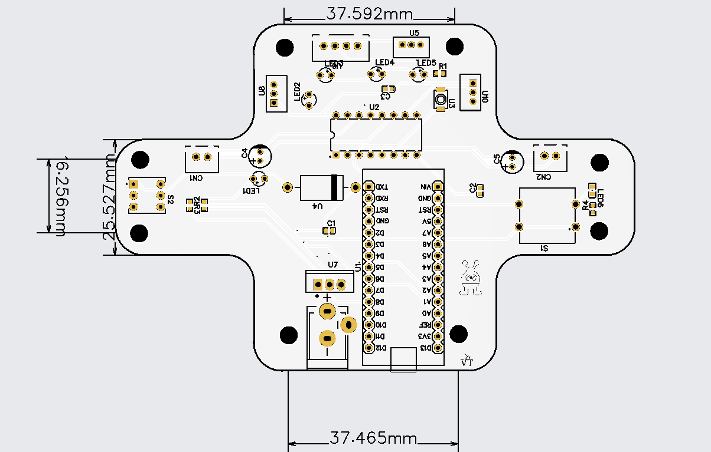
3 | DIMENSION | 114.34 | * | 76.37 | mm
4 | PCB QTY | 5
5 | PRODUCT TYPE | INDUSTRIAL/Consumer electronics
6
7 | DIFFERENT DESIGN | 1
8 | DELIVERY FORMAT | single PCB
9 | PCB THICKNESS | 1.6mm
10 | PCB COLOR | white
11 | SILKSCREEN | Black
12 | SURFACE FINISH | HASL(with lead)
13
14 | OUTER COPPER WEIGHT | 1oz
15 | VIA COVERING | Tented
16 | BOARD OUTLINE TOLERENCE | +-0.2mm(regular)
17 | CONFIRM PRODUCTION FILE | no
18 | MARK ON PCB | order number
19 | ELECTRICAL TEST | Flying probe fully test
20 | GOLD FINGER | No
21 | CASTELLETED HOLES | No
22 | EDGE PLATING | No

